Q1
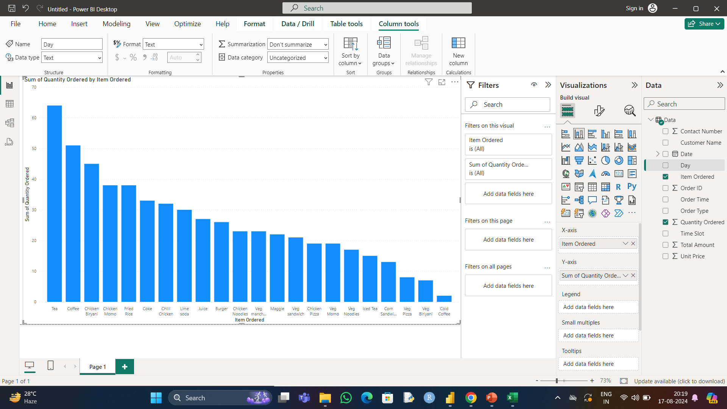
Q.1) Which item is sold the most and which item is sold the least?

Ans=> The Most Sold Item is Tea And The least sold item is Cold Coffee.

Q2
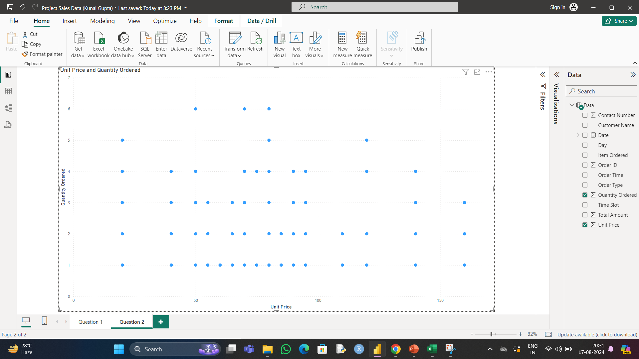
Q.2) Are more units ordered against lower-priced items or higher-priced items in a single order?

Ans=>

Q3
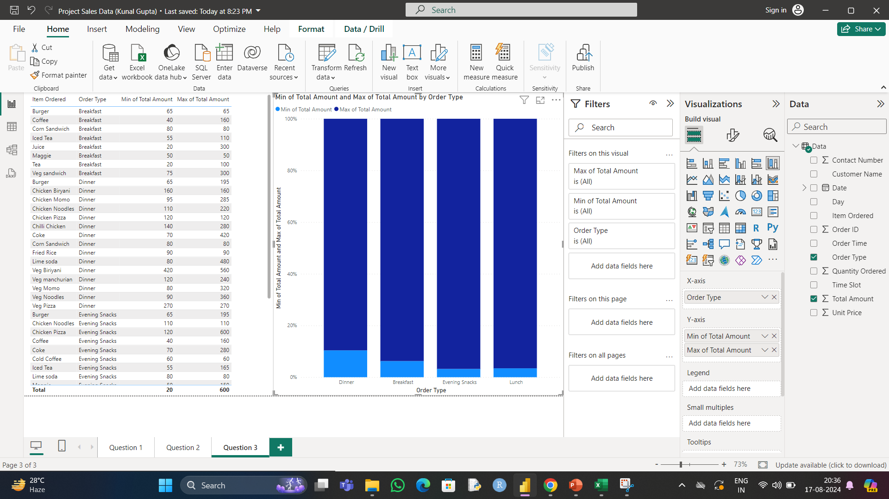
Q3. What items are sold more and what items are sold less in what type of meal?

Ans=> | Breakfast is the least amount ordered and Dinner is the highest amount ordered

Q4
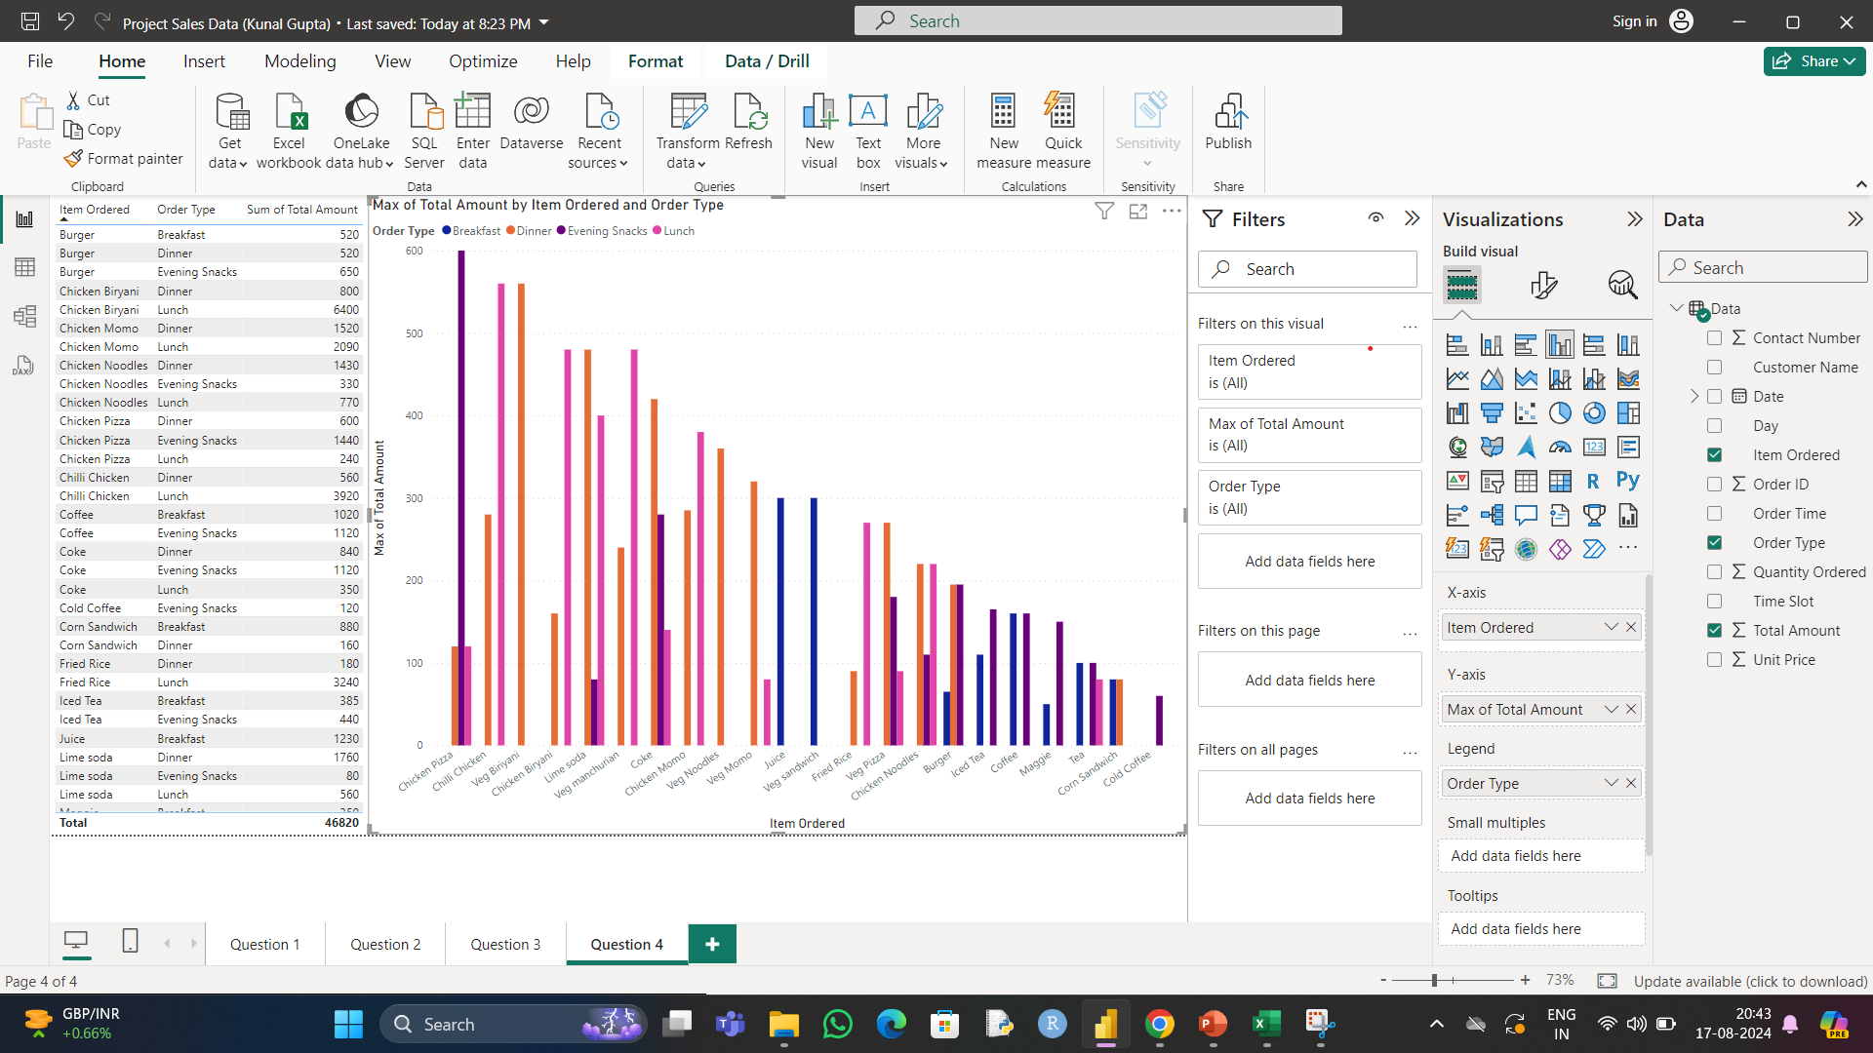
Q4. Sale of which items in what type of meal generate a greater amount of sales?

Ans=> | In Evening snacks Chicken Pizza generates the most amount of sales

Q5
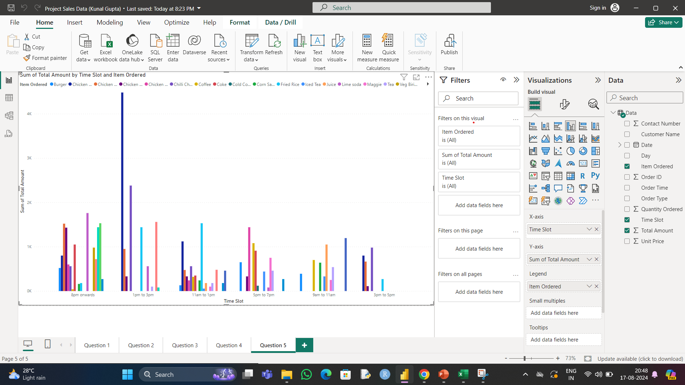
Q5. Should the company continue offering all items at different times of the day?

Ans=> | The Company should continue offering all items at different times of the day

